Sheet1
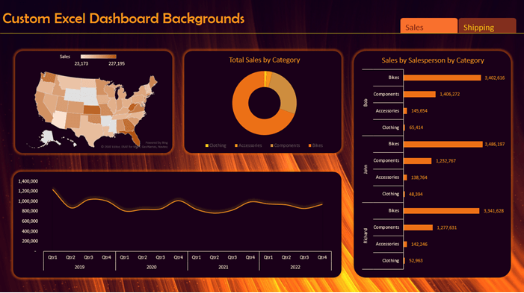
 | Total
Central | 242,473
East | 325,375
South | 189,251
West | 325,811
Prodcut Wise
 | Total
Bookcases | 54547.4587
Chairs | 162876.832
Furnishings | 46813.238
Tables | 100529.328
Appliances | 52438.486
Art | 14908.672
Binders | 103016.134
Envelopes | 9040.142
Fasteners | 1600.72
Labels | 5069.896
Paper | 37255.658
Storage | 103685.388
Supplies | 12924.284
Accessories | 70236.19
Copiers | 70129.03
Machines | 75844.422
Phones | 161994.94

Region Wise sale
 | Total
First Class | 167,777
Same Day | 62,667
Second Class | 217,739
Standard Class | 634,728
 | Total
Furniture | 80409.3005
Office Supplies | 62731.448
Technology | 67208.282
Furniture | 13945.432
Office Supplies | 8265.673
Technology | 18853.081
Furniture | 16279.4
Office Supplies | 11077.882
Technology | 20617.291
Furniture | 12595.52
Office Supplies | 23947.144
Technology | 8963.152
Furniture | 42683.815
Office Supplies | 43789.36
Technology | 59436.134
Furniture | 12260.601
Office Supplies | 9701.404
Technology | 15263.085
Furniture | 21254.874
Office Supplies | 12153.951
Technology | 21830.507
Furniture | 25014.9242
Office Supplies | 25359.334
Technology | 26819.264
Furniture | 11800.86
Office Supplies | 10048.01
Technology | 16571.28
Furniture | 23633.044
Office Supplies | 16758.422
Technology | 13483.23

PivotTables
Row Labels | Sum of Sales | Row Labels | Sum of Sales | Row Labels | Sum of Sales | Row Labels | Sum of Sales
California | 210349.0305 | Furniture | 364766.8567 | Central | 242,473 | First Class | 167,777
Furniture | 80409.3005 | Bookcases | 54547.4587 | East | 325,375 | Same Day | 62,667
Office Supplies | 62731.448 | Chairs | 162876.832 | South | 189,251 | Second Class | 217,739
Technology | 67208.282 | Furnishings | 46813.238 | West | 325,811 | Standard Class | 634,728
Florida | 41064.186 | Tables | 100529.328 | Grand Total | 1,082,911 | Grand Total | 1,082,911
Furniture | 13945.432 | Office Supplies | 339939.38
Office Supplies | 8265.673 | Appliances | 52438.486
Technology | 18853.081 | Art | 14908.672
Illinois | 47974.573 | Binders | 103016.134
Furniture | 16279.4 | Envelopes | 9040.142
Office Supplies | 11077.882 | Fasteners | 1600.72
Technology | 20617.291 | Labels | 5069.896
Michigan | 45505.816 | Paper | 37255.658
Furniture | 12595.52 | Storage | 103685.388
Office Supplies | 23947.144 | Supplies | 12924.284
Technology | 8963.152 | Technology | 378204.582
New York | 145909.309 | Accessories | 70236.19
Furniture | 42683.815 | Copiers | 70129.03
Office Supplies | 43789.36 | Machines | 75844.422
Technology | 59436.134 | Phones | 161994.94
Ohio | 37225.09 | Grand Total | 1082910.8187
Furniture | 12260.601
Office Supplies | 9701.404
Technology | 15263.085
Pennsylvania | 55239.332
Furniture | 21254.874
Office Supplies | 12153.951
Technology | 21830.507
Texas | 77193.5222
Furniture | 25014.9242
Office Supplies | 25359.334
Technology | 26819.264
Virginia | 38420.15
Furniture | 11800.86
Office Supplies | 10048.01
Technology | 16571.28
Washington | 53874.696
Furniture | 23633.044
Office Supplies | 16758.422
Technology | 13483.23
Grand Total | 752755.7047

